Sheet1
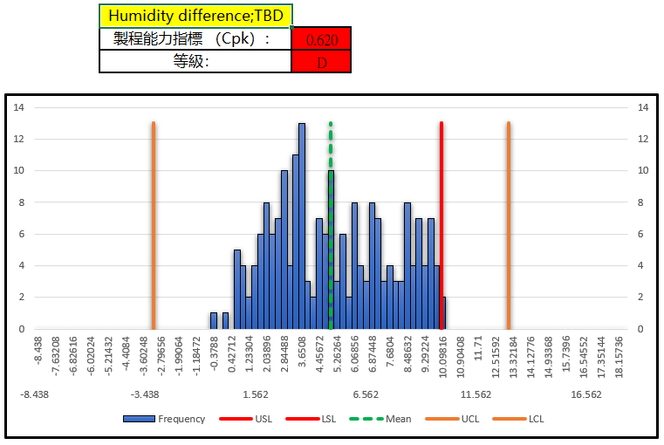
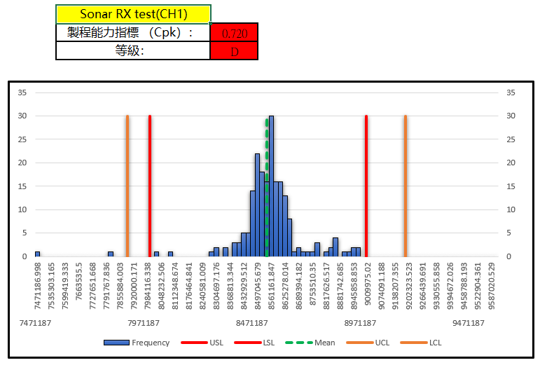
ItemNameType | ProcessType | Item | ItemName | CountCountESN | Retest | CountESN
13601 | DescentS1_RTESN | 2 | Sonar self test1 | 40/166 | 24.1 | 166 | attribute
13450 | DescentS1_iATE | 58 | C/No | 28/199 | 14.07 | 199
13602 | DescentS1_CT | 9 | 溫度|Temperature | 19/165 | 11.52 | 165
7041 | Descent_Dive_Profile | 16 | 濕度差 | 19/165 | 11.52 | 165
13616 | DescentS1_FT1 | 85 | GPS L1 Radiated Sensitivity | 16/165 | 9.7 | 165
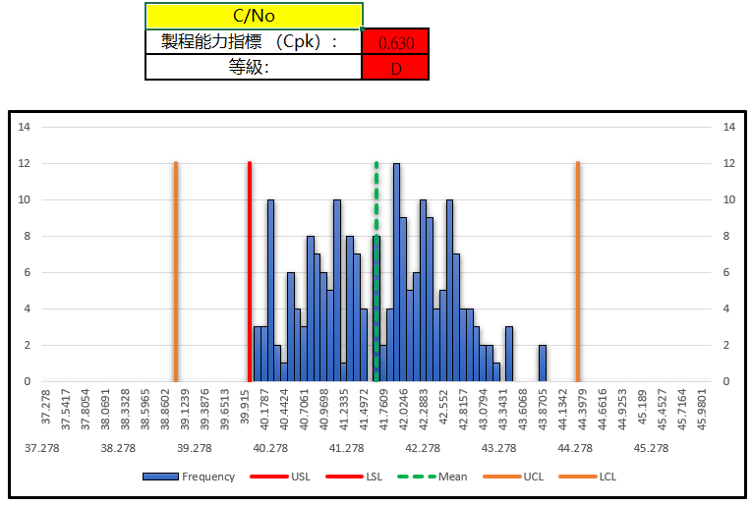
19448 | DescentS1_FT3_Sonar | 14 | CH5-RX-power | 16/165 | 9.7 | 165
13450 | DescentS1_iATE | 97 | Humidity difference;TBD | 17/199 | 8.54 | 199
19448 | DescentS1_FT3_Sonar | 45 | CH1-RX-power | 12/165 | 7.27 | 165
13602 | DescentS1_CT | 11 | Gyro Cold Calibration | 11/165 | 6.67 | 165
13602 | DescentS1_CT | 14 | Gyro Data X | 11/165 | 6.67 | 165
13601 | DescentS1_RTESN | 9 | Raw_Accel_X | 8/166 | 4.82 | 166
13602 | DescentS1_CT | 15 | Internal Humidity (BME280) | 7/165 | 4.24 | 165
13603 | DescentS1_HT | 27 | Gyro HT 2st 校準溫度|Gyro HT 2st Calibration Temp | 7/165 | 4.24 | 165
19448 | DescentS1_FT3_Sonar | 51 | CH7-RX-power | 7/165 | 4.24 | 165
13450 | DescentS1_iATE | 35 | USB連線(1)|USB Connection(1) | 8/199 | 4.02 | 199
13450 | DescentS1_iATE | 56 | Sonar RX test(CH1) | 7/199 | 3.52 | 199

